Sheet1
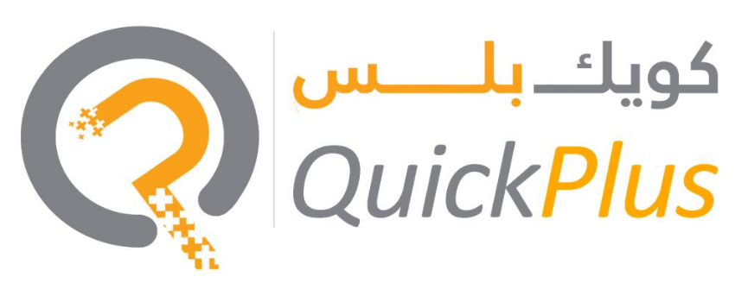

 |  | Quotation

Date: | 2024-10-01 | Quote No:
 |  | Bill To: Lone Mehraj
 |  | Business Activity: family Visa For 3 Person

Phase 2 – Immigration & family Visa 2 years visa (inside) |  |  | Cost

File Opening |  |  | AED 1,500.00
Entry Permit |  |  | AED 3,375.00
Medical (Basic/Normal) |  |  | AED 322.00
Emirates ID |  |  |  | AED 1,149.00
stamping |  |  |  | AED 2,328.00
service fee |  |  | AED 1,500.00
Total |  |  | AED 10,174.00
 |  |  | (Fee Outside the Country)

Terms & Conditions
All the government & POA charges will be borne by you on actual Any queries on this invoice must be raised within seven days from the issuance date of the invoice. Government fees are approximate Please note that prices are subject to change anytime as per the government Quotation valid for 4 days

Quick Plus Service Provider LLC
Amman Road - Al Qusais Industrial Area - Al Qusais Industrial Area 3 - Dubai

www.amerquickplus.ae

